Instructions
 | California Small Group 1-100:Plan Comparison 2019 | California Small Group 1-100:Plan Comparison 2019 | Colorado Small Group 1-100:Instructions

Introducing Warner Pacific’s Small Group Plan Comparison Guide

Warner Pacific is proud to partner with most successful small group carriers, giving you access to 200+ plans for which we can provide you customized personal support.

Our Small Group Plan Comparison Guide will enable you to quickly view the plan options available for each of our carrier partners and serve as a guide to the different features offered.

From there, you can easily narrow down the plan options based on your particular client’s needs, by sorting by Metallic Tier, Plan Type (HMO, PPO, EPO, etc.), Network Name and Type, Deductible, Out-of-Pocket Maximums, Coinsurance and Benefits.

Click the drop down arrow by Plan Type and choose the plan you are interested in comparing.

Example: Select Plan Type HMO to see only carriers who offer that plan type.

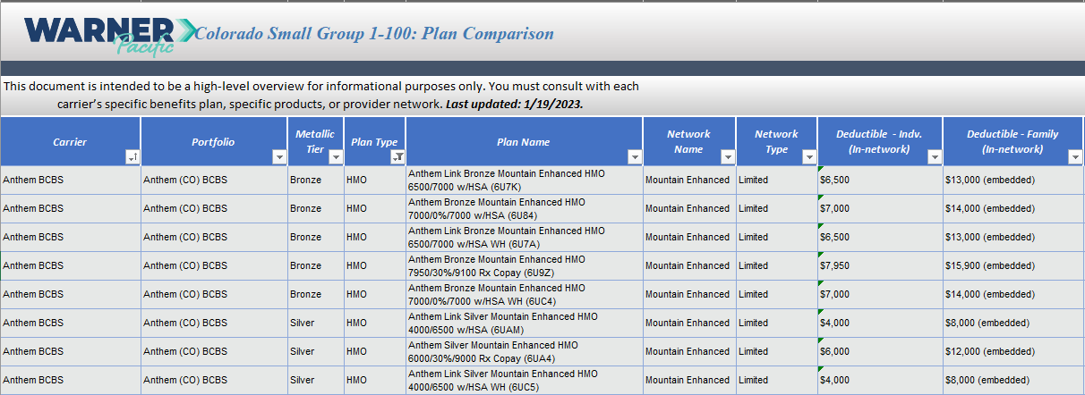
The Plan Comparison will automatically sort by selected Plan Type - HMO.

ProQuote, Warner Pacific’s proprietary Small Group quoting engine, can help you determine which plans can be bundled together. ProQuote also offers the ability to sort your quote by rates, plans, carriers, metallic level, plan type or premium.

To request a quote using ProQuote, follow the steps below.

Step 1: Use the Plan Comparison Guide to identify the plans to compare. In this example, the search criterias used were HMO and Gold Tier plans.

Step 2: Highlight and copy the plans you would like quoted.

Step 3: Paste the copied plans into an email and send to your Warner Pacific Sales Executive.
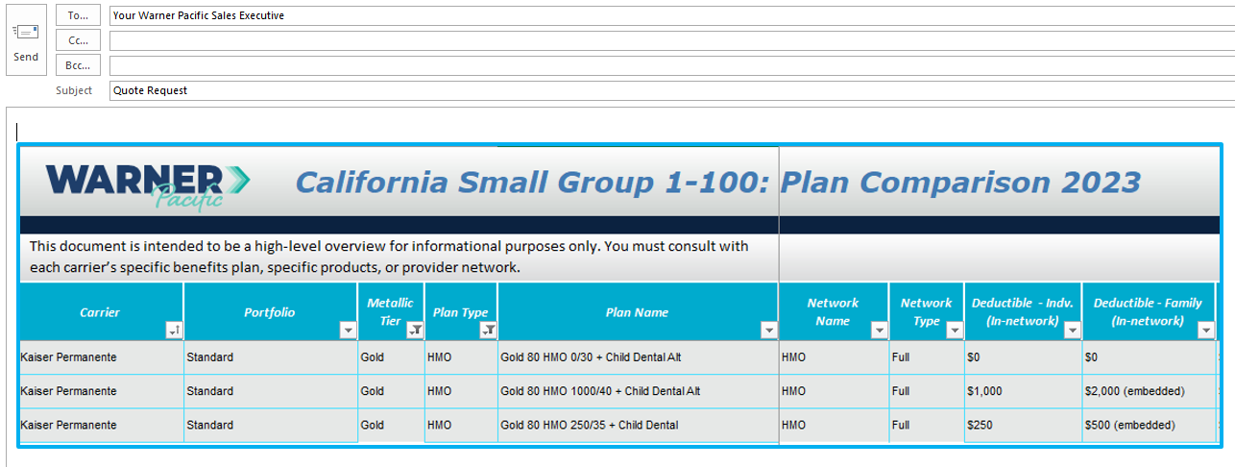

That's it! Your Sales Executive will run your selected plans through ProQuote and you will receive a customized proposal, sorted just the way you want it. Plus, you can download the proposal into Excel or print in PDF.

Note: The plans presented are meant to be a brief description of plans offerings and not a complete description. Not all plans can be combined or written together, refer to each carrier’s plan benefits and underwriting guidelines for limitations and requirements.

